Home
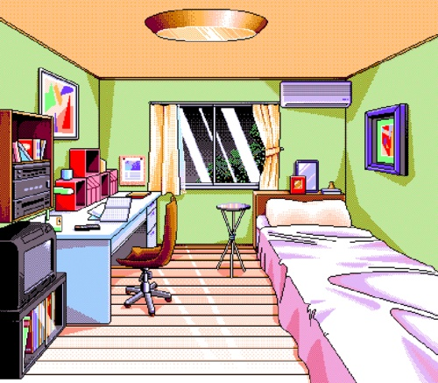

Weather
 | Location: | Boston

2017-11-01 | 2017-11-02 | 2017-11-03 | 2017-11-04 | 2017-11-05
scattered clouds | light rain | light rain | sky is clear | light rain
50.29°F | 60.01°F | 62.6°F | 51.13°F | 56.25°F

Weather Name | Pictures
rain | 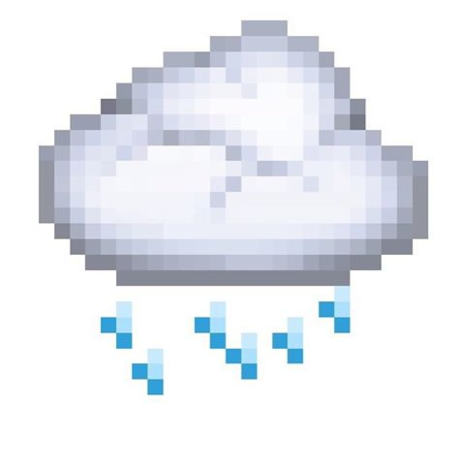
clear | 
breeze | 
snow | 
cloud
other

